All joeys
Joey Name | MRRJ | KSK | P | KCT | WE | DG | SC
1 | 14.9249 | 25.190057146 | 14.672374419 | 21.02290834 | 42.906810845 | 46.11367754 | 55.102607764 | Koala name | Count | Minimum | Maximum | Average | CV | SD | 2SD | Peak | Baseline
2 | 16.0891 | 10.840305998 | 16.164145234 | 13.217035821 | 35.374348273 |  |  | MRRJ | 59 | 7.50215 | 37.8037 | 14.84348 | 29.22127 | 5.4056680103 | 10.811336021 | 25.654822687 | 14.113922081
3 | 17.8089 | 17.203386269 | 12.990102336 | 16.02165744 |  |  |  | KSK | 40 | 7.9458229413 | 43.418516804 | 15.76411 | 38.28563 | 6.1875383916 | 12.375076783 | 28.139184421 | 15.055020223
4 | 12.9742 | 17.672386446 | 17.203386269 | 27.810072202 |  |  |  | P | 13 | 12.333886292 | 20.636022518 | 15.98549 | 5.554144 | 2.3567232086 | 4.7134464171 | 20.698933288 | 15.985486871
5 | 13.8548 | 14.418066307 | 19.172622918 | 26.197855389 |  |  |  | KCT | 7 | 13.217035821 | 54.378101691 | 28.12552 | 202.3914 | 14.226432475 | 28.452864949 | 56.57838813 | 23.750093429
6 | 13.4066 | 14.168623648 | 20.636022518 | 38.231031383 |  |  |  | WE | 2 | 35.374348273 | 42.906810845 | 39.14058 | 28.369 | 5.3262553643 | 10.652510729 | 49.793090288 | 39.140579559
7 | 15.3019 | 9.9477101067 | 15.602705488 | 54.378101691 |  |  |  | DG | 1 | 46.11367754 | 46.11367754 | 46.11368 | N/A | N/A | N/A | N/A | 46.11368
8 | 13.4066 | 7.9458229413 | 13.803306298 |  |  |  |  | SC | 1 | 55.102607764 | 55.102607764 | 55.10261 | N/A | N/A | N/A | N/A | 55.10261
9 | 19.2436 | 10.840305998 | 12.333886292
10 | 17.0673 | 9.6943511349 | 14.672374419
11 | 21.3836 | 13.803306298 | 16.74882162
12 | 17.6576 | 10.840305998 | 16.453496804 |  |  |  |  | Anova: Single Factor
13 | 11.0227 | 13.448242161 | 17.358084712
14 | 11.7638 | 12.018989433 |  |  |  |  |  | SUMMARY
15 | 17.8089 | 14.045687085 |  |  |  |  |  | Groups | Count | Sum | Average | Variance
16 | 23.1875 | 9.6113006146 |  |  |  |  |  | MRRJ | 59 | 875.76557 | 14.843484237 | 29.221269745
17 | 16.2247 | 11.028221038 |  |  |  |  |  | KSK | 40 | 630.56430551 | 15.764107638 | 38.285631347
18 | 19.5812 | 11.51264197 |  |  |  |  |  | P | 13 | 207.81132933 | 15.985486871 | 5.5541442818
19 | 15.5593 | 15.330303752 |  |  |  |  |  | KCT | 7 | 196.87866227 | 28.125523181 | 202.39138095
20 | 14.8015 | 16.898777432 |  |  |  |  |  | WE | 2 | 78.281159118 | 39.140579559 | 28.368996206
21 | 8.70348 | 16.308084854 |  |  |  |  |  | DG | 1 | 46.11367754 | 46.11367754 | #DIV/0!
22 | 7.50215 | 9.6113006146 |  |  |  |  |  | SC | 1 | 55.102607764 | 55.102607764 | #DIV/0!
23 | 13.4066 | 14.418066307
24 | 13.6287 | 13.332098057
25 | 12.7636 | 10.033591969 |  |  |  |  |  | ANOVA
26 | 13.4066 | 14.168623648 |  |  |  |  |  | Source of Variation | SS | df | MS | F | P-value | F crit
27 | 14.6793 | 14.045687085 |  |  |  |  |  | Between Groups | 4495.1247635 | 6 | 749.18746059 | 19.323809184 | 1.6102266865E-15 | 2.1776874386
28 | 15.0494 | 19.348522905 |  |  |  |  |  | Within Groups | 4497.3402811 | 116 | 38.770174837
29 | 10.6701 | 16.164145234
30 | 11.7638 | 16.02165744 |  |  |  |  |  | Total | 8992.4650446 | 122
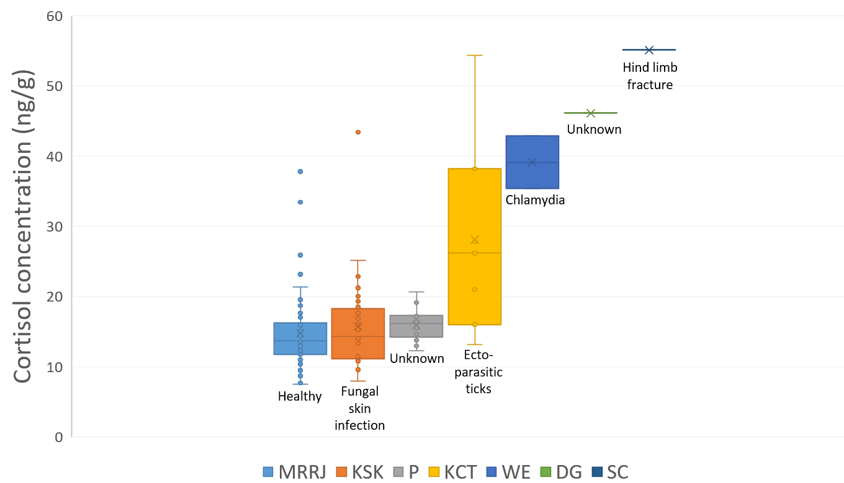
31 | 10.845 | 16.308084854
32 | 15.9547 | 13.683831982
33 | 10.845 | 18.487895934
34 | 16.2247 | 20.071880835
35 | 15.175 | 22.87909688
36 | 18.7504 | 22.87909688
37 | 12.3534 | 21.219692773
38 | 10.5837 | 43.418516804
39 | 14.4383 | 22.87909688
40 | 25.9105 | 18.826541799
41 | 16.0891
42 | 14.6793
43 | 13.5172
44 | 13.7412
45 | 8.84717
46 | 9.99826
47 | 11.957
48 | 11.5739
49 | 20.1014
50 | 13.7412
51 | 10.4131
52 | 13.2971
53 | 12.0548
54 | 9.52167
55 | 7.69152
56 | 7.69152
57 | 33.4685
58 | 13.8548
59 | 37.8037
SD | 5.4056680103 | 6.1875383916 | 2.3567232086 | 14.226432475 | 5.3262553643 | N/A | N/A
2SD | 10.811336021 | 12.375076783 | 4.7134464171 | 28.452864949 | 10.652510729 | N/A | N/A
Peak | 25.654822687 | 28.139184421 | 20.698933288 | 56.57838813 | 49.793090288 | N/A | N/A
Baseline | 14.113922081 | 15.055020223 | 15.985486871 | 23.750093429 | 39.140579559 | N/A | N/A
Min | 7.50215 | 7.9458229413 | 12.333886292 | 13.217035821 | 35.374348273 | 46.11367754 | 55.102607764
Max | 37.8037 | 43.418516804 | 20.636022518 | 54.378101691 | 42.906810845 | 46.11367754 | 55.102607764
Average | 14.843486666 | 15.764107638 | 15.985486871 | 28.125523181 | 39.140579559 | 55.102607764 | 46.11367754

MRRJ variation
June | July
14.924866397 | 14.438310122 | Anova: Single Factor
16.089055592 | 25.9104665
17.808942509 | 16.089055592 | SUMMARY
12.974207398 | 14.679328088 | Groups | Count | Sum | Average | Variance
13.854788546 | 13.517174801 | June | 33 | 482.2873068 | 14.614766873 | 11.92220824
13.406641985 | 13.741235391 | July | 21 | 320.39116676 | 15.256722227 | 63.319080318
15.301913816 | 8.8471690557
13.406641985 | 9.9982574779
19.243606527 | 11.956984854 | ANOVA
17.067283874 | 11.573855937 | Source of Variation | SS | df | MS | F | P-value | F crit
21.38357943 | 20.101447792 | Between Groups | 5.2887023456 | 1 | 5.2887023456 | 0.16688743977 | 0.68457046417 | 4.0266314003
17.657598077 | 13.741235391 | Within Groups | 1647.89227 | 52 | 31.690235962
11.022686142 | 10.413086365
11.763802994 | 13.297090915 | Total | 1653.1809724 | 53
17.808942509 | 12.054812876
23.187515844 | 9.5216694641
16.224726464 | 7.6915214467
19.581240125 | 7.6915214467
15.55928865 | 33.468497918
14.801524779 | 13.854788546
8.70347703 | 37.803656778
7.5021510383
13.406641985
13.628701741
12.763642425
13.406641985
14.679328088
15.049368109
10.670099985
11.763802994
10.844951889
15.954693997
MRRJ daily variation of FCM
43623 | 14.924866397
43623 | 16.089055592
43624 | 17.808942509
43624 | 12.974207398
43625 | 13.854788546
43625 | 13.406641985
43626 | 15.301913816
43626 | 13.406641985
43627 | 19.243606527
43627 | 17.067283874
43628 | 21.38357943
43628 | 17.657598077
43629 | 11.022686142
43629 | 11.763802994
43630 | 17.808942509
43630 | 23.187515844
43631 | 16.224726464
43632 | 19.581240125
43633 | 15.55928865
43634 | 14.801524779
43635 | 8.70347703
43636 | 7.5021510383
43636 | 13.406641985
43637 | 13.628701741
43638 | 12.763642425
43638 | 13.406641985
43639 | 14.679328088
43639 | 15.049368109
43640 | 10.670099985
43640 | 11.763802994
43641 | 10.844951889
43642 | 15.954693997
43642 | 10.844951889
43643 | 16.224726464
43644 | 15.175045348
43644 | 18.750368819
43645 | 12.353364377
43646 | 10.583734742
43647 | 14.438310122
43647 | 25.9104665
43648 | 16.089055592
43648 | 14.679328088
43649 | 13.517174801
43650 | 13.741235391
43650 | 8.8471690557
43651 | 9.9982574779
43651 | 11.956984854
43652 | 11.573855937
43652 | 20.101447792
43653 | 13.741235391
...
10.844951889
16.224726464
15.175045348
18.750368819
12.353364377
10.583734742

KSK variation
September | October | November | Anova: Single Factor
25.190057146 | 11.51264197 | 20.071880835
10.840305998 | 15.330303752 | 22.87909688 | SUMMARY
17.203386269 | 16.898777432 | 22.87909688 | Groups | Count | Sum | Average | Variance
17.672386446 | 16.308084854 | 21.219692773 | September | 17 | 222.71706862 | 13.101004037 | 16.834681015
14.418066307 | 9.6113006146 | 43.418516804 | October | 16 | 235.67331404 | 14.729582127 | 7.450693346
14.168623648 | 14.418066307 | 22.87909688 | November | 7 | 172.17392285 | 24.596274693 | 71.380693324
9.9477101067 | 13.332098057 | 18.826541799
7.9458229413 | 10.033591969
10.840305998 | 14.168623648 |  | ANOVA
9.6943511349 | 14.045687085 |  | Source of Variation | SS | df | MS | F | P-value | F crit
13.803306298 | 19.348522905 |  | Between Groups | 683.74016618 | 2 | 341.87008309 | 15.627874438 | 1.202696454E-05 | 3.2519238464
10.840305998 | 16.164145234 |  | Within Groups | 809.39945637 | 37 | 21.875660983
13.448242161 | 16.02165744
12.018989433 | 16.308084854 |  | Total | 1493.1396225 | 39
14.045687085 | 13.683831982
9.6113006146 | 18.487895934
11.028221038

KSK daily variation of FCM
 | Cortisol
11/9 | 25.190057146
12/9 | 10.840305998
13/9 | 17.203386269
14/9 | 17.672386446
15/9 | 14.418066307
16/9 | 14.168623648
20/9 | 9.9477101067
21/9 | 7.9458229413
22/9 | 10.840305998
23/9 | 9.6943511349
24/9 | 13.803306298
25/9 | 10.840305998
26/9 | 13.448242161
27/9 | 12.018989433
28/9 | 14.045687085
29/9 | 9.6113006146
30/9 | 11.028221038
1/10 | 11.51264197
2/10 | 15.330303752
3/10 | 16.898777432
4/10 | 16.308084854
5/10 | 9.6113006146
6/10 | 14.418066307
7/10 | 13.332098057
8/10 | 10.033591969
9/10 | 14.168623648
10/10 | 14.045687085
11/10 | 19.348522905
12/10 | 16.164145234
13/10 | 16.02165744
14/10 | 16.308084854
15/10 | 13.683831982
16/10 | 18.487895934
11/11 | 20.071880835
12/11 | 22.87909688
13/11 | 22.87909688
14/11 | 21.219692773
15/11 | 43.418516804
16/11 | 22.87909688
17/11 | 18.826541799

