CID_C +162 KGTDVQAWIR
 |  |  |  |  | PID | Prot. Rank | Pos. | Sequence | Glycans | Mods (variable) | PEP | Score | z | Obs. m/z | Calc. m/z | Obs. MH | Calc. MH | ppm err. | Off- By-X | Cleavage | Delta Score | Delta Mod. Score | Protein Name | Fragment Type | Comment | Scan # | Scan Time | Glycans Pos. | Obs.M | Calc.M
 |  |  |  |  | 1603 | 1 | 133 | R.C[+162.05282]KGTDVQAWIR.G |  | C1(Hex / 162.0528) | 0.0000188 | 354.2 | 2 | 719.85041832 | 719.85337097 | 1438.6935602 | 1438.6994655 | -4.1046136802 |  | Specific | 354.19784979 | 354.19784979 | >sp|P00698|LYSC_CHICK Lysozyme C OS=Gallus gallus GN=LYZ PE=1 SV=1 | collision-induced dissociation | 00527771buch_ab4liz2_s.6474.6474.2 | controllerType=0 controllerNumber=1 scan=6474 | 34.2918 |  | 1437.6863 | 1437.6922
 |  |  |  |  | 1605 | 1 | 133 | R.C[+162.05282]KGTDVQAWIR.G |  | C1(Hex / 162.0528) | 0.0000292 | 329.6 | 2 | 719.85054039 | 719.85337097 | 1438.6938043 | 1438.6994655 | -3.9349190193 |  | Specific | 329.59628812 | 329.59628812 | >sp|P00698|LYSC_CHICK Lysozyme C OS=Gallus gallus GN=LYZ PE=1 SV=1 | collision-induced dissociation | 00527771buch_ab4liz2_s.6481.6481.2 | controllerType=0 controllerNumber=1 scan=6481 | 34.3151 |  | 1437.6865 | 1437.6922
 |  |  |  |  | 1606 | 1 | 133 | R.C[+162.05282]KGTDVQAWIR.G |  | C1(Hex / 162.0528) | 0.000106 | 189.2 | 3 | 480.23578978 | 480.23800613 | 1438.6928164 | 1438.6994655 | -4.621583895 |  | Specific | 189.15247497 | 189.15247497 | >sp|P00698|LYSC_CHICK Lysozyme C OS=Gallus gallus GN=LYZ PE=1 SV=1 | collision-induced dissociation | 00527771buch_ab4liz2_s.6485.6485.3 | controllerType=0 controllerNumber=1 scan=6485 | 34.3257 |  | 1437.6855 | 1437.6922

 |  |  |  |  | https://proteomicsresource.washington.edu/cgi-bin/fragment.cgi |  |  |  |  |  |  |  |  |  |  |  |  |  |  |  |  |  |  |  |  |  |  |  |  |  |  |  |  |  |  |  |  |  |  |  |  |  |  |  |  |  |  |  |  |  |  |  |  |  |  |  |  |  |  |  |  |  |  |  |  |  |  |  | G.KVFGR.C |  |  |  |  |  |  | ornithine generation form C-term Arg
 |  |  |  |  |  |  |  |  |  |  |  |  |  |  |  |  |  |  |  |  |  |  |  |  |  |  |  |  |  | 1.0073 |  |  |  | fragmentation of C-term Arg derivative to imidazole structures |  |  |  |  |  |  |  |  |  |  |  |  |  |  |  |  |  |  |  |  | 162.05282 |  |  |  |  |  | 162.05282 |  |  |  |  |  |  |  |  |  |  |  |  |  | y+ | y+
 |  |  |  |  |  |  |  |  |  |  |  |  |  |  |  |  |  |  |  |  |  |  |  |  |  |  |  |  |  |  |  |  |  |  |  |  |  |  |  |  |  |  |  |  |  |  |  |  |  |  |  |  |  |  | 42.021798 |  |  |  |  |  | 42.021798 |  |  |  |  |  |  |  | b+ |  | AA |  | y+ |  | 42 loss | 42 loss
 |  |  |  |  |  |  |  | R.TPGSRNLC[+162.05282]N.I |  |  |  |  |  |  |  |  |  |  |  |  |  |  |  |  |  |  |  |  |  |  |  |  |  |  |  |  |  |  |  |  |  |  |  |  |  |  |  |  |  |  |  |  |  |  | 204.074618 |  |  |  |  |  | 204.074618 |  |  |  |  |  |  |  | 129.10224 | 1 | K | 5 |  |  | calc | obs
 |  |  |  |  |  |  |  |  |  |  |  | b+ |  | AA |  | y+ |  | fragmentation of doubly and triply charged ions |  |  |  |  |  | cross-ring cleavage |  |  |  |  |  |  |  |  |  |  |  |  |  |  |  |  |  |  |  |  |  |  |  |  |  |  |  |  |  |  |  |  |  |  |  |  |  |  |  |  |  |  |  |  | 228.170653 | 2 | V | 4 | 478.277244 | 42.021798 | 436.255446 | not obs
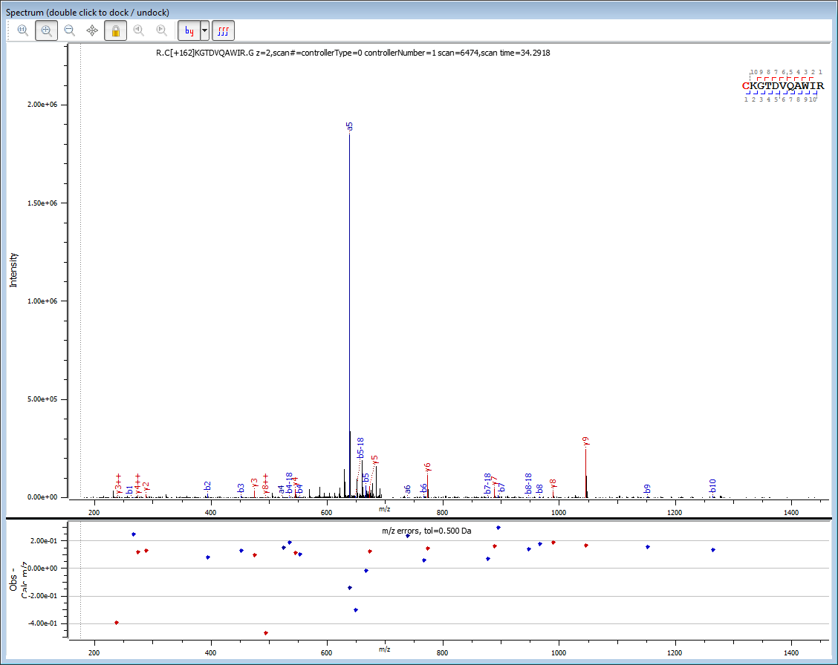
 |  |  |  |  |  |  |  |  |  |  |  | 266.069281 | 1 | C | 11 |  |  |  |  |  |  |  |  |  |  |  |  |  |  |  |  |  |  |  |  |  |  |  |  |  |  |  |  |  |  |  |  |  |  |  |  |  |  |  |  |  |  |  |  |  |  |  |  |  |  |  |  |  | 375.239067 | 3 | F | 3 | 379.20883 | 42.021798 | 337.187032 | 337.1875 | 1.66E+03 | 0.0005
 |  |  |  |  |  |  |  |  |  |  |  | 394.164244 | 2 | K | 10 | 1173.637483 |  |  |  |  |  |  |  |  |  |  |  |  |  |  |  |  |  |  |  |  |  |  |  |  |  |  |  |  |  |  |  |  |  |  |  |  |  |  | Ornithine at the C-term 42 Da loss |  |  |  |  |  | Gycosyl transfer followed by Ornithine at the C-term formation |  |  |  |  |  |  |  | 432.260531 | 4 | G | 2 | 232.140416 | 42.021798 | 190.118618 | 190.1186 | 1.33E+03 | 0.0000
 |  |  |  |  |  |  |  |  |  |  |  | 451.185708 | 3 | G | 9 | 1045.54252 |  |  |  |  |  |  |  |  |  |  |  |  |  |  |  |  |  |  |  |  |  |  |  |  |  |  |  |  |  |  |  |  |  |  |  |  |  |  |  |  |  |  |  |  |  |  |  |  |  |  |  |  |  | 5 | R | 1 | 175.118952 | 42.021798 | 133.097154
 |  |  |  | C[+162]KGTDVQAWIR |  |  |  |  |  |  |  | 552.233386 | 4 | T | 8 | 988.521056 |  |  |  |  |  |  |  |  |  |  |  |  |  |  |  |  |  |  |  |  |  |  |  |  |  |  |  |  |  |  |  |  |  |  |  |  |  |  |  | y+ | y+ |  | ± 0.500 Da |  |  | y+ | y+ |  | ± 0.500 Da
 |  |  |  |  |  |  |  |  |  |  |  | 667.260329 | 5 | D | 7 | 887.473378 |  |  |  |  |  |  |  |  |  |  |  |  |  |  |  |  |  |  |  |  |  |  |  |  |  |  |  |  |  |  |  |  |  |  |  |  |  |  |  | 42 loss | 42 loss | int. | err. |  |  | 204 loss | 42 loss | int. | err.
 |  |  |  |  |  |  |  |  |  |  |  | 766.328743 | 6 | V | 6 | 772.446435 |  |  |  |  |  |  |  |  |  |  |  |  |  |  |  |  |  |  |  |  |  |  |  |  |  |  |  |  |  |  |  |  |  |  |  |  |  |  |  | calc. | obs. |  |  |  |  | calc. | obs. |  |  |  |  |  | pI: 11.00
 |  |  |  |  |  |  |  |  |  |  |  | 894.387321 | 7 | Q | 5 | 673.378021 |  | H2O | 2 H2O | 3 H2O |  |  |  |  |  |  |  |  |  |  |  |  |  |  |  |  |  |  |  |  |  |  |  |  |  |  |  |  |  |  |  |  |  |  | 42.021798 | 1131.6157 | not obs. |  |  |  | 204.074618 | 1131.6157 | not obs. |  |  |  |  |  | composition: C(28) H(45) N(9) O(5) S(0)
 |  |  |  |  |  |  |  |  |  |  |  | 965.424435 | 8 | A | 4 | 545.319443 |  | 18.010565 | 36.02113 | 54.031695 |  |  |  |  |  |  |  |  |  | ornityna na C-końcu |  |  |  |  |  |  |  |  |  |  |  |  |  |  |  |  |  |  |  |  |  |  |  |  | 42.021798 | 1003.5207 | 1003.5887 | 5.02E+03 | 0.068 |  | 204.074618 | 1003.5207 | 1003.5887 | 5.02E+03 | 0.068 |  |  |  | neutral mass: 605.364930
 |  |  |  |  |  |  |  |  |  |  |  | 1151.503748 | 9 | W | 3 | 474.282329 |  |  |  |  |  |  |  |  |  |  |  |  |  | 42 Da loss |  |  |  |  |  |  |  |  |  |  |  |  |  |  |  |  |  |  |  |  |  |  |  |  | 42.021798 | 946.4993 | 946.6833 | 1.09E+03 | 0.184 |  | 204.074618 | 946.4993 | 946.6833 | 1.09E+03 | 0.184 |  |  |  | + 1 charge: 606.372207
 |  |  |  |  |  |  |  |  |  |  |  | 1264.587812 | 10 | I | 2 | 288.203016 |  |  |  |  |  |  |  |  |  |  |  |  |  | 42.021798 |  |  |  |  |  |  |  |  |  |  |  |  |  |  |  |  |  |  |  |  |  |  |  |  | 42.021798 | 845.4516 | not obs. |  |  |  | 204.074618 | 845.4516 | not obs. |  |  |  |  |  | + 2 charge: 303.689742
 |  |  |  |  |  |  |  |  |  |  |  |  | 11 | R | 1 | 175.118952 |  | 162.0528 | 150.0528 | 120.0423 | 90.0317 |  |  |  |  |  |  |  |  | 42.021798 |  |  |  |  |  |  |  |  |  |  |  |  |  |  |  |  |  |  |  |  |  |  |  |  | 42.021798 | 730.4246 | 730.7018 | 1.84E+03 | 0.277 | ˭ | 204.074618 | 730.4246 | 730.7018 | 1.84E+03 | 0.277 |  |  |  | + 3 charge: 202.795587
 |  |  |  |  |  |  |  |  |  |  |  |  |  |  |  |  |  |  |  |  |  |  |  |  |  | 54.0106 |  | 54.01056 |  | 42.021798 |  |  |  |  |  |  |  |  |  |  |  |  |  |  |  |  |  |  |  |  |  |  |  |  | 42.021798 | 631.3562 | 631.0986 | 8.04E+04 | -0.258 |  | 204.074618 | 631.3562 | 631.0986 | 8.04E+04 | -0.258 |  |  |  | + 4 charge: 152.348509
 |  |  |  |  |  |  |  |  |  |  |  |  |  |  |  |  |  | 144.0423 | 126.0317 | 108.0211 | 78.0106 |  | 24.0000 |  |  |  |  |  |  | 42.021798 |  |  |  |  |  |  |  |  |  |  |  |  |  |  |  |  |  |  |  |  |  |  |  |  | 42.021798 | 503.2976 | not obs. |  |  |  | 204.074618 | 503.2976 | not obs. |  |  |  |  |  | + 5 charge: 122.080263
 |  |  |  |  |  |  |  |  |  |  |  | pI: 8.22 |  |  |  |  |  |  |  |  |  |  |  |  |  |  |  |  |  | 42.021798 |  |  |  |  |  |  |  |  |  |  |  |  |  |  |  |  |  |  |  |  |  |  |  |  | 42.021798 | 432.2605 | not obs. |  |  |  | 204.074618 | 432.2605 | not obs. |  |  |  |  |  | + 6 charge: 101.901432
 |  |  |  |  |  |  |  |  |  |  |  | composition: C(55) H(87) N(17) O(15) S(1) |  |  |  |  |  |  |  |  |  |  |  |  |  |  |  |  |  | 42.021798 |  |  |  |  |  |  |  |  |  |  |  |  |  |  |  |  |  |  |  |  |  |  |  |  | 42.021798 | 246.1812 | 246.3088 | 1.36E+03 | 0.128 |  | 204.074618 | 246.1812 | 246.3088 | 1.36E+03 | 0.128 |  |  |  | + 7 charge: 87.487981
 |  |  |  |  |  |  |  |  |  |  |  | neutral mass: 1437.692211 |  |  |  |  |  |  |  |  |  |  |  |  |  |  |  |  |  | 42.021798 |  |  |  |  |  |  |  |  |  |  |  |  |  |  |  |  |  |  |  |  |  |  |  |  | 42.021798 | 133.0972 | NA |  |  |  | 204.074618 | 133.0972 | NA |  |  |  |  |  | + 8 charge: 76.677893
 |  |  |  |  |  |  |  |  |  |  |  | + 1 charge: 1438.699487 |  |  |  |  |  |  |  |  |  |  |  |  |  |  |  |  |  | 42.021798 |  |  |  |  |  |  |  |  |  |  |  |  |  |  |  |  |  |  |  |  |  |  |  |  |  |  |  | 8.97E+04 |  |  |  |  |  | 8.97E+04 |  |  |  |  | + 9 charge: 68.270047
 |  |  |  |  |  |  |  |  |  |  |  | + 2 charge: 719.853382 |  |  |  |  |  |  |  |  |  |  |  |  |  |  |  |  |  | 42.021798 |  |  |  |  |  |  |  |  |  |  |  |  |  |  |  |  |  |  |  |  |  |  |  |  |  |  |  |  |  |  |  |  |  |  |  |  |  |  | +10 charge: 61.543770
 |  |  |  |  |  |  |  |  |  |  |  | + 3 charge: 480.238013 |  |  |  |  |  |  |  |  |  |  |  |  |  |  |  |  |  | 42.021798
 |  |  |  |  |  |  |  |  |  |  |  | + 4 charge: 360.430329
 |  |  |  |  |  |  |  |  |  |  |  | + 5 charge: 288.545719
 |  |  |  |  |  |  |  |  |  |  |  | + 6 charge: 240.622645
 |  |  |  |  |  |  |  |  |  |  |  | + 7 charge: 206.391878
 |  |  |  |  |  |  |  |  |  |  |  | + 8 charge: 180.718803
 |  |  |  |  |  |  |  |  |  |  |  | + 9 charge: 160.750855
 |  |  |  |  |  |  |  |  |  |  |  | +10 charge: 144.776498
 |  |  |  |  |  |  |  |  |  |  |  |  |  |  | CID fragmentation of peptide with N-terminal, S-glucosylated Cysteine residue _ the evidence on the gas phase glycosyl transfer onto C-terminal Arg followed by Amadori product formation and its fragmentation yielding imidazole structures

 |  |  |  |  |  |  |  |  |  |  |  |  |  |  |  |  |  |  |  | Glycosyl transfer and glucopyranose cross ring cut (0.2A) |  |  |  |  |  |  |  | Postulated imidazole formation |  |  |  |  |  | Amadori product's fructopyranosyl ring fragmentation |  |  |  |  |  |  |  |  |  | Amadori product's dehydration pathway |  |  |  |  |  |  |  |  |  |  |  |  |  |  |  |  |  |  | Postulated imidazole derivative formation

 |  |  |  |  |  |  |  |  |  |  | MODEL D | PID 1603 |  | y+ | y+ |  | ± 0.500 Da |  | y+ | y+ |  | ± 0.500 Da | (0.2 A) | y+ | y+ |  | ± 0.500 Da | (0.2 A) | y+ | y+ |  | ± 0.500 Da |  | y+ | y+ |  | ± 0.500 Da |  | y+ | y+ |  | ± 0.500 Da |  | y+ | y+ |  | ± 0.500 Da |  | y+ | y+ |  | ± 0.500 Da |  | y+ | y+ |  | ± 0.500 Da |  | y+ | y+ |  | ± 0.500 Da | (0.2 A) | y+ | y+ |  | ± 0.500 Da
 |  |  |  |  |  |  |  |  |  |  | score 354.2 | AA |  | calc. | obs. | int. | err. |  | 162 gain | 162 gain | int. | err. | 120 | 42 gain | 42 gain | int. | err. | 42-18 | 24 gain | 24 gain | int. | err. | 162-90 | 72 gain | 72 gain | int. | err. | 162-150 | 12 gain | 12 gain | int. | err. |  | 144 gain | 144 gain | int. | err. |  | 126 gain | 126 gain | int. | err. |  | 108 gain | 108 gain | int. | err. |  | 78 gain | 78 gain | int. | err. | 72-18 | 54 gain | 54 gain | int. | err.
 |  |  |  |  |  |  |  |  |  |  | scan time: | C | 11 |  |  |  |  |  | calc. | obs. |  |  | tetrose loss | calc. | obs. |  |  |  | calc. | obs. |  |  | triose loss | calc. | obs. |  |  | pentose loss | calc. | obs. |  |  |  | calc. | obs. |  |  |  | calc. | obs. |  |  |  | calc. | obs. |  |  |  | calc. | obs. |  |  |  | calc. | obs.
 |  |  |  |  |  |  |  |  |  |  | 34.2918 | K | 10 | 1173.6375 | not obs. |  |  | 162.0528 | 1335.6903 | not obs. |  |  | 42.0106 | 1215.6481 | not obs. |  |  | 24.0000 | 1197.6375 | not obs. |  |  | 72.0211 | 1245.6586 | not obs. |  |  | 12.0000 | 1185.6375 | not obs. |  |  | 144.0423 | 1317.6798 | not obs. |  |  | 126.0317 | 1299.6692 | not obs. |  |  | 108.0211 | 1281.6586 | 1281.6016 | 3.31E+02 | -0.057 | 78.0106 | 1251.6481 | not obs. |  |  | 54.01056 | 1227.6480 | not obs.
 |  |  |  |  |  |  |  |  |  |  | z+2 | G | 9 | 1045.5425 | 1045.7106 | 2.46E+05 | 0.168 | 162.0528 | 1207.5953 | 1207.7312 | 9.37E+02 | 0.136 | 42.0106 | 1087.5531 | not obs. |  |  | 24.0000 | 1069.5425 | not obs. |  |  | 72.0211 | 1117.5636 | 1117.5510 | 1.31E+03 | -0.013 | 12.0000 | 1057.5425 | not obs. |  |  | 144.0423 | 1189.5848 | not obs. |  |  | 126.0317 | 1171.5742 | not obs. |  |  | 108.0211 | 1153.5636 | 1153.7880 | 1.86E+03 | 0.224 | 78.0106 | 1123.5531 | not obs. |  |  | 54.01056 | 1099.5531 | 1099.5976 | 3.62E+02 | 0.045
 |  |  |  |  |  |  |  |  |  |  |  | T | 8 | 988.5211 | 988.7134 | 2.86E+04 | 0.192 | 162.0528 | 1150.5739 | not obs. |  |  | 42.0106 | 1030.5317 | 1030.2234 | 9.87E+02 | -0.308 | 24.0000 | 1012.5211 | not obs. |  |  | 72.0211 | 1060.5422 | not obs. |  |  | 12.0000 | 1000.5211 | 1000.5378 | 1.42E+02 | 0.017 | 144.0423 | 1132.5634 | not obs. |  |  | 126.0317 | 1114.5528 | not obs. |  |  | 108.0211 | 1096.5422 | not obs. |  |  | 78.0106 | 1066.5317 | not obs. |  |  | 54.01056 | 1042.5316 | not obs.
 |  |  |  |  |  |  |  |  |  | 911.4734 |  | D | 7 | 887.4734 | 887.6368 | 4.38E+04 | 0.163 | 162.0528 | 1049.5262 | 1049.1296 | 3.56E+02 | -0.397 | 42.0106 | 929.4840 | 929.6713 | 2.59E+03 | 0.187 | 24.0000 | 911.4734 | 911.4468 | 7.71E+03 | -0.027 | 72.0211 | 959.4945 | not obs. |  |  | 12.0000 | 899.4734 | 899.8700 | 3.46E+03 | 0.397 | 144.0423 | 1031.5157 | 1031.7350 | 3.52E+02 | 0.219 | 126.0317 | 1013.5051 | not obs. |  |  | 108.0211 | 995.4945 | 995.1362 | 2.49E+03 | -0.358 | 78.0106 | 965.4840 | not obs. |  |  | 54.01056 | 941.4839 | not obs.
 |  |  |  |  |  |  |  |  |  |  |  | V | 6 | 772.4464 | 772.5948 | 1.13E+05 | 0.148 | 162.0528 | 934.4993 | not obs. |  |  | 42.0106 | 814.4570 | not obs. |  |  | 24.0000 | 796.4464 | 796.6158 | 2.08E+02 | 0.169 | 72.0211 | 844.4676 | 844.5909 | 6.27E+02 | 0.123 | 12.0000 | 784.4464 | not obs. |  |  | 144.0423 | 916.4887 | not obs. |  |  | 126.0317 | 898.4781 | not obs. |  |  | 108.0211 | 880.4675 | not obs. |  |  | 78.0106 | 850.4570 | not obs. |  |  | 54.01056 | 826.4570 | not obs.
 |  |  |  |  |  |  |  |  |  |  |  | Q | 5 | 673.3780 | 673.5041 | 5.85E+04 | 0.126 | 162.0528 | 835.4308 | 835.2300 | 1.20E+03 | -0.201 | 42.0106 | 715.3886 | not obs. |  |  | 24.0000 | 697.3780 | not obs. |  |  | 72.0211 | 745.3991 | not obs. |  |  | 12.0000 | 685.3780 | 685.7896 | 3.87E+03 | 0.412 | 144.0423 | 817.4203 | not obs. |  |  | 126.0317 | 799.4097 | 799.5991 | 2.06E+03 | 0.189 | 108.0211 | 781.3991 | not obs. |  |  | 78.0106 | 751.3886 | not obs. |  |  | 54.01056 | 727.3886 | not obs.
 |  |  |  |  | calc. | obs. | int. | ± 0.500 Da |  |  |  | A | 4 | 545.3194 | 545.4337 | 4.20E+04 | 0.114 | 162.0528 | 707.3723 | not obs. |  |  | 42.0106 | 587.3300 | 587.5558 | 5.29E+04 | 0.226 | 24.0000 | 569.3194 | 569.0923 | 9.74E+03 | -0.227 | 72.0211 | 617.3406 | 617.1716 | 9.60E+02 | -0.169 | 12.0000 | 557.3194 | not obs. |  |  | 144.0423 | 689.3617 | 689.1441 | 1.56E+04 | -0.218 | 126.0317 | 671.3511 | 670.9435 | 1.56E+04 | -0.408 | 108.0211 | 653.3405 | 652.9599 | 7.48E+03 | -0.381 | 78.0106 | 623.3300 | 622.9736 | 6.77E+03 | -0.356 | 54.01056 | 599.3300 | not obs.
 |  | 204 NL | from MH |  | 1234.6248 | not obs. |  |  |  |  |  | W | 3 | 474.2823 | 474.3809 | 3.45E+04 | 0.099 | 162.0528 | 636.3351 | 636.0649 | 1.02E+04 | -0.270 | 42.0106 | 516.2929 | 516.2881 | 3.15E+03 | -0.005 | 24.0000 | 498.2823 | 498.3906 | 2.16E+03 | 0.108 | 72.0211 | 546.3035 | 546.4520 | 1.38E+04 | 0.149 | 12.0000 | 486.2823 | 486.1641 | 1.22E+03 | -0.118 | 144.0423 | 618.3246 | 618.0689 | 2.76E+03 | -0.256 | 126.0317 | 600.3140 | 600.4937 | 3.56E+03 | 0.180 | 108.0211 | 582.3034 | 582.7846 | 4.51E+03 | 0.481 | 78.0106 | 552.2929 | not obs. |  |  | 54.01056 | 528.2929 | 528.5042 | 5.81E+02 | 0.211
 |  | 204 NL/z | from precursor ion |  | 617.8161 | 618.0689 | 2.76E+03 | 0.253 |  |  |  | I | 2 | 288.2030 | 288.3349 | 1.54E+04 | 0.132 | 162.0528 | 450.2558 | not obs. |  |  | 42.0106 | 330.2136 | not obs. |  |  | 24.0000 | 312.2030 | 312.4163 | 2.44E+03 | 0.213 | 72.0211 | 360.2241 | not obs. |  |  | 12.0000 | 300.2030 | 300.3495 | 9.58E+02 | 0.146 | 144.0423 | 432.2453 | not obs. |  |  | 126.0317 | 414.2347 | 414.4191 | 3.49E+03 | 0.184 | 108.0211 | 396.2241 | 395.9322 | 4.21E+02 | -0.292 | 78.0106 | 366.2136 | not obs. |  |  | 54.01056 | 342.2136 | 342.2971 | 6.51E+02 | 0.084
 |  | 180 NL | from MH |  | 1258.6361 | 1259.0867 | 2.00E+03 | 0.451 |  |  |  | R | 1 | 175.1190 | not obs. |  |  | 162.0528 | 337.1718 | not obs. |  |  | 42.0106 | 217.1296 | 217.2115 | 9.39E+02 | 0.082 | 24.0000 | 199.1190 | not obs. |  |  | 72.0211 | 247.1401 | 247.2254 | 3.15E+02 | 0.085 | 12.0000 | 187.1190 | 187.1241 | 1.00E+03 | 0.005 | 144.0423 | 319.1613 | not obs. |  |  | 126.0317 | 301.1507 | 301.3281 | 4.98E+02 | 0.177 | 108.0211 | 283.1401 | not obs. |  |  | 78.0106 | 253.1296 | 253.2632 | 3.66E+02 | 0.134 | 54.01056 | 229.1295 | 229.1819 | 1.12E+03 | 0.052
 |  | 180 NL/z | from precursor ion |  | 629.8217 | 630.0876 | 2.00E+03 | 0.266 |  |  |  |  |  |  |  | 5.82E+05 |  |  |  |  | 1.27E+04 |  |  |  |  | 6.06E+04 |  |  |  |  | 2.23E+04 |  |  |  |  | 1.70E+04 |  |  |  |  | 1.07E+04 |  |  |  |  | 1.88E+04 |  |  |  |  | 2.52E+04 |  |  |  |  | 1.71E+04 |  |  |  |  | 7.14E+03 |  |  |  |  | 2.71E+03 |  | 1.94E+05
 |  | 162 NL | from MH |  | 1276.6467 | 1276.7574 | 9.23E+03 | 0.111
 |  | 162 NL/z | from precursor ion |  | 638.8270 | 639.1299 | 1.85E+06 | 0.303 | a5 |  |  |  |  |  |  |  |  |  |  |  | 0.02 |  |  |  |  | 0.10
 |  | 150 NL/z | from precursor ion |  | 644.8270 | 644.6578 | 9.30E+03 | -0.169
 |  | 120 NL/z | from precursor ion |  | 658.8322 | 659.0812 | 7.92E+03 | 0.249 |  |  |  |  |  |  |  |  |  |  |  |  |  |  | Amadori |  |  |  |  | Amadori |  |  |  |  | Amadori product's fructopyranosyl ring dehydratation
 |  | 90 NL/z | from precursor ion |  | 674.8375 | 674.6806 | 2.30E+04 | -0.157 |  |  | MODEL D | PID 1603 |  | b+ | b+ | int. | ± 0.500 Da | tetrose loss | 120 loss b+ | 120 loss b+ | int. | ± 0.500 Da | triose loss | 90 loss b+ | 90 loss b+ | int. | ± 0.500 Da | 150 | 150 loss b+ | 150 loss b+ | int. | ± 0.500 Da | H20 loss | 18 loss b+ | 18 loss b+ |  | ± 0.500 Da | 2 H20 loss | 36 loss b+ | 36 loss b+ |  | ± 0.500 Da | 3 H20 loss | 54 loss b+ | 54 loss b+ |  | ± 0.500 Da |  |  | b-179 |  |  | ± 0.500 Da
 |  |  |  |  |  |  |  |  |  |  | score 354.2 | AA |  | calc. | obs. b+ |  | err. | (0.2 A) | calc. | obs. |  | err. | 90 loss | calc. | obs. |  | err. | pentose loss | calc. | obs. |  | err. |  | cal. | obs. | int. | err. |  | cal. | obs. | int | err. |  | cal. | obs. | int | err. |  |  | calc | obs | int | err.
 |  |  |  |  |  |  |  |  |  |  | scan time: | C | 1 | 266.0693 | 266.3201 | 2.02E+02 | 0.251 | 120.0423 | 146.0270 | NA |  |  | 90.0317 | 176.0376 | NA |  |  | 150.0528 | 116.0165 | NA |  |  | 18.010565 | 248.0587 | not obs. |  |  | 36.02113 | 230.0482 | not obs. |  |  | 54.031695 | 212.0376 | 212.1175 | 5.68E+02 | 0.080 |  | 179.0794 | 86.9899 | NA
 |  |  |  |  |  |  |  |  |  |  | 34.2918 | K | 2 | 394.1642 | 394.2466 | 2.07E+04 | 0.082 | 120.0423 | 274.1220 | 274.1923 | 3.15E+03 | 0.070 | 90.0317 | 304.1325 | 304.2878 | 1.04E+03 | 0.155 | 150.0528 | 244.1114 | not obs. |  |  | 18.010565 | 376.1537 | 376.3856 | 8.97E+02 | 0.232 | 36.02113 | 358.1431 | 358.327 | 7.16E+03 | 0.184 | 54.031695 | 340.1325 | 340.3061 | 5.50E+03 | 0.174 |  | 179.0794 | 215.0849 | 215.1866 | 6.63E+03 | 0.102
 |  |  |  |  |  |  |  |  |  |  | z+2 | G | 3 | 451.1857 | 451.3197 | 6.70E+03 | 0.134 | 120.0423 | 331.1434 | 330.8397 | 1.90E+02 | -0.304 | 90.0317 | 361.1540 | 361.4091 | 7.06E+03 | 0.255 | 150.0528 | 301.1329 | 301.3281 | 4.98E+02 | 0.195 | 18.010565 | 433.1751 | 433.4639 | 7.22E+02 | 0.289 | 36.02113 | 415.1646 | 415.3835 | 2.39E+03 | 0.219 | 54.031695 | 397.1540 | 397.3711 | 6.24E+02 | 0.217 |  | 179.0794 | 272.1063 | 272.2359 | 2.04E+03 | 0.130
 |  |  |  |  |  |  |  |  |  |  |  | T | 4 | 552.2334 | 552.3373 | 3.43E+03 | 0.104 | 120.0423 | 432.1911 | not obs. |  |  | 90.0317 | 462.2017 | 462.3078 | 7.14E+02 | 0.106 | 150.0528 | 402.1806 | 402.27 | 3.73E+02 | 0.089 | 18.010565 | 534.2228 | not obs. |  |  | 36.02113 | 516.2123 | 516.2881 | 3.15E+03 | 0.076 | 54.031695 | 498.2017 | 498.3906 | 2.96E+03 | 0.189 |  | 179.0794 | 373.1540 | not obs.
 |  |  |  |  |  |  |  |  |  |  |  | D | 5 | 667.2603 | 667.2471 | 6.08E+04 | -0.013 | 120.0423 | 547.2181 | 547.5380 | 5.27E+03 | 0.320 | 90.0317 | 577.2286 | 577.2620 | 6.62E+02 | 0.033 | 150.0528 | 517.2075 | 517.3188 | 2.48E+02 | 0.111 | 18.010565 | 649.2498 | not obs. |  |  | 36.02113 | 631.2392 | 631.0986 | 8.04E+04 | -0.141 | 54.031695 | 613.2286 | 613.2026 | 8.14E+02 | -0.026 |  | 179.0794 | 488.1810 | 488.3265 | 1.56E+03
 |  |  |  |  |  |  |  |  |  |  |  | V | 6 | 766.3287 | 766.3921 | 5.78E+03 | 0.063 | 120.0423 | 646.2865 | 645.8266 | 1.01E+04 | -0.460 | 90.0317 | 676.2970 | 676.4733 | 9.07E+03 | 0.176 | 150.0528 | 616.2759 | 616.4773 | 3.35E+03 | 0.201 | 18.010565 | 748.3182 | not obs. |  |  | 36.02113 | 730.3076 | 730.7018 | 1.84E+03 | 0.394 | 54.031695 | 712.2970 | 712.4277 | 1.74E+02 | 0.131 |  | 179.0794 | 587.2494 | 587.5558 | 5.29E+04 | 0.306
 |  |  |  |  |  |  |  |  |  |  |  | Q | 7 | 894.3873 | 894.6864 | 1.09E+04 | 0.299 | 120.0423 | 774.3451 | 774.5785 | 1.06E+04 | 0.233 | 90.0317 | 804.3556 | not obs. |  |  | 150.0528 | 744.3345 | not obs. |  |  | 18.010565 | 876.3768 | not obs. |  |  | 36.02113 | 858.3662 | 858.6942 | 1.05E+03 | 0.328 | 54.031695 | 840.3556 | 840.5495 | 2.25E+03 | 0.194 |  | 179.0794 | 715.3079 | not obs.
 |  |  |  |  |  |  |  |  |  |  |  | A | 8 | 965.4244 | 965.6071 | 5.58E+03 | 0.183 | 120.0423 | 845.3822 | not obs. |  |  | 90.0317 | 875.3927 | not obs. |  |  | 150.0528 | 815.3716 | 815.7828 | 9.42E+02 | 0.411 | 18.010565 | 947.4139 | not obs. |  |  | 36.02113 | 929.4033 | 929.6713 | 2.59E+03 | 0.268 | 54.031695 | 911.3927 | 911.4468 | 7.71E+03 | 0.054 |  | 179.0794 | 786.3451 | not obs.
 |  |  |  |  |  |  |  |  |  |  |  | W | 9 | 1151.5037 | 1151.6606 | 5.59E+03 | 0.157 | 120.0423 | 1031.4615 | 1031.7350 | 3.52E+02 | 0.274 | 90.0317 | 1061.4721 | 1061.7640 | 7.69E+03 | 0.292 | 150.0528 | 1001.4509 | 1001.6588 | 2.11E+02 | 0.208 | 18.010565 | 1133.4932 | not obs. |  |  | 36.02113 | 1115.4826 | 1115.8444 | 2.76E+03 | 0.362 | 54.031695 | 1097.4721 | 1097.7853 | 1.39E+03 | 0.313 |  | 179.0794 | 972.4244 | 972.6158 | 1.44E+03 | 0.191
 |  |  |  |  |  |  |  |  |  |  |  | I | 10 | 1264.5878 | 1264.7246 | 6.22E+03 | 0.137 | 120.0423 | 1144.5456 | 1144.8535 | 6.50E+02 | 0.308 | 90.0317 | 1174.5561 | 1174.4716 | 1.89E+03 | -0.085 | 150.0528 | 1114.5350 | not obs. |  |  | 18.010565 | 1246.5772 | 1246.6514 | 1728 | 0.074 | 36.02113 | 1228.5667 | 1228.7793 | 2.22E+03 | 0.213 | 54.031695 | 1210.5561 | 1210.6499 | 2.70E+03 | 0.094 |  | 179.0794 | 1085.5084 | 1085.9882 | 2.02E+03 | 0.480
 |  |  |  |  |  |  |  |  |  |  |  | R | 11 |  |  | 1.26E+05 |  |  |  |  | 3.03E+04 |  |  |  |  | 2.81E+04 |  |  |  |  | 5.62E+03 |  |  |  |  | 3.35E+03 |  |  |  |  | 1.03E+05 |  |  |  |  | 2.47E+04 |  | 1.96E+05 |  |  |  | 6.66E+04
 |  |  |  |  |  |  |  |  |  |  |  |  |  |  |  | 1.00 |  |  |  |  |  |  |  |  |  |  |  |  |  |  |  |  |  |  |  |  |  |  |  |  |  |  |  |  |  |  |  |  |  |  |  | 0.53
 |  |  |  |  |  |  |  |  |  |  |  |  |  |  |  |  |  |  |  |  |  |  |  |  |  |  |  |  |  |  |  |  |  |  |  |  |  |  |  |  |  |  |  |  |  |  |  |  |  |  |  |  |  |  | 179.0794 | 358.158748
 |  |  |  |  |  |  |  |  |  |  |  |  |  | di-hexosyl |  |  |  |  | glucopyranose cross ring cut (0.2A) |  |  |  | Amadori |  |  |  |  | Amadori |  |  |  |  | Amadori product's fructopyranosyl ring dehydratation
 |  |  |  |  |  |  |  |  |  |  | MODEL D | PID 1603 | hexosyl | b+162 | b+162 | int. | ± 0.500 Da | tetrose loss | 120 loss b+ | 120 loss b+ | int. | ± 0.500 Da | triose loss | 90 loss b+ | 90 loss b+ | int. | ± 0.500 Da | 150 | 150 loss b+ | 150 loss b+ | int. | ± 0.500 Da | H20 loss | 18 loss b+ | 18 loss b+ |  | ± 0.500 Da | 2 H20 loss | 36 loss b+ | 36 loss b+ |  | ± 0.500 Da | 3 H20 loss | 54 loss b+ | 54 loss b+ |  | ± 0.500 Da |  |  | b(+162-179] |  |  | ± 0.500 Da
...
 |  |  |  |  |  |  |  |  |  |  | MODEL D | PID 1603 |  | y+ | y+
 |  |  |  |  |  |  |  |  |  |  |  | R |  |  |  | 4.43E+04
 |  |  |  |  |  |  |  |  |  |  |  |  |  |  |  | 1.00
...
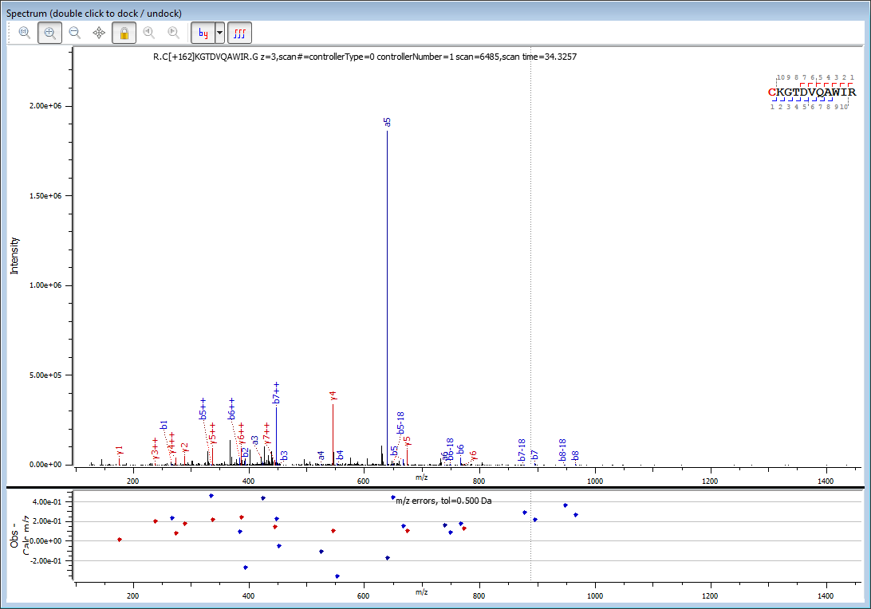
 |  |  |  |  |  |  |  |  |  |  |  |  |  |  |  | b++
 |  |  |  |  |  |  |  |  |  |  |  |  |  |  |  | 133.5383
 |  |  |  |  |  |  |  |  |  |  |  |  |  |  |  | 197.5858
 |  |  |  |  |  |  |  |  |  |  |  |  |  |  |  | 226.0965
 |  |  |  |  |  |  |  |  |  |  |  |  |  |  |  | 276.6203
 |  |  |  |  |  |  |  |  |  |  |  |  |  |  |  | 334.1338
 |  |  |  |  |  |  |  |  |  |  |  |  |  |  | 383.7650 | 383.6680
 |  |  |  |  |  |  |  |  |  |  |  |  |  |  |  | 447.6973
 |  |  |  |  |  |  |  |  |  |  |  |  |  |  |  | 483.2159
 |  |  |  |  |  |  |  |  |  |  |  |  |  |  |  | 576.2555
 |  |  |  |  |  |  |  |  |  |  |  |  |  |  |  | 632.7975
...
 |  |  |  |  |  |  |  |  |  |  |  |  |  |  | 1310
 |  |  |  |  |  |  |  |  |  |  |  |  |  |  | 9578
 |  |  |  |  |  |  |  |  |  |  |  |  |  |  | 1.09E+04
 |  |  |  |  |  |  |  |  |  |  |  | PID 1606 |  | y+ | y+
 |  |  |  |  |  |  |  |  |  |  | MODEL D | AA |  | calc. | obs. | int.
 |  |  |  |  |  |  |  |  |  |  | score 189.2 | C | 11
 |  |  |  |  |  |  |  |  |  |  | scan time: | K | 10 | 1173.6375 | not obs.
 |  |  |  |  |  |  |  |  |  |  | 34.3257 | G | 9 | 1045.5425 | not obs.
 |  |  |  |  |  |  |  |  |  |  | z+3 | T | 8 | 988.5211 | not obs.
 |  |  |  |  |  |  |  |  |  |  |  | D | 7 | 887.4734 | not obs.
 |  |  |  |  |  |  |  |  |  |  |  | V | 6 | 772.4464 | 772.5814 | 3.41E+03
 |  |  |  |  |  |  |  |  |  |  |  | Q | 5 | 673.3780 | 673.4832 | 8.35E+04
 |  |  |  |  |  |  |  |  |  |  |  | A | 4 | 545.3194 | 545.4294 | 3.36E+05
 |  |  |  |  |  |  |  |  |  |  |  | W | 3 | 474.2823 | not obs.
 |  |  |  |  |  |  |  |  |  |  |  | I | 2 | 288.2030 | 288.3852 | 4.74E+04
 |  |  |  |  |  |  |  |  |  |  |  | R | 1 | 175.1190 | 175.1353 | 3.76E+04
 |  |  |  |  |  |  |  |  |  |  |  |  |  |  |  | 5.08E+05
 |  |  |  |  |  |  |  |  |  |  |  |  |  |  | total abindance | 1.00
...
 |  | calc. | obs. | int. | ± 0.500 Da | loss | PID 1606
 |  |  |  |  |  | hexose | z +3 |  |  |  |  | PID 1606 |  | y++ | y++
179 NL | from precursor ion | 420.5449 | 420.7881 | 4.58E+04 | 0.243 | from Arg | Amadori |  |  |  |  | AA |  | calc. | obs. | int.
162 NL | from precursor ion | 426.2204 | 426.4415 | 1.03E+05 | 0.221 |  |  |  |  |  |  | C | 11
150 NL | from precursor ion | 430.2204 | 430.1644 | 5.60E-02 | -0.056 | pentose | Amadori |  |  |  |  | K | 10 | 587.32238 | 587.6135 | 8.67E+03
120 NL | from precursor ion | 440.2239 | 440.2017 | 2.22E-02 | -0.022 | tetrose |  |  |  |  |  | G | 9 | 523.274898 | not obs.
90 NL | from precursor ion | 450.2274 | 450.2829 | 5.55E-02 | 0.055 | triose | Amadori |  |  |  |  | T | 8 | 494.764166 | not obs.
...

HCD_C +162 KGTDVQAWIR
...
 |  |  |  |  |  |  | 480.2358 | not obs. | not obs.
180 NL/z | from precursor ion |  | 420.2169 | not obs.
162 NL | from MH |  | 1276.6467 | not obs.
162 NL/z | from precursor ion |  | 426.2204 | not obs. |  |  | MODEL D | PID 18338 |  | y+ | y+
150 NL/z | from precursor ion |  | 430.2204 | 430.1951 | 4.66E+03 | -5.88E-05 | score 366.6 | AA |  | calc. | obs. | int.
120 NL/z | from precursor ion |  | 440.2239 | 440.2352 | 3.97E+03 | 2.56E-05 | scan time: | C | 11
90 NL/z | from precursor ion |  | 450.22744082 | not obs. |  |  | 34.3230 | K | 10 | 1173.6375 | not obs.
 |  |  |  |  |  |  |  | G | 9 | 1045.5425 | 1045.5432 | 2.78E+05
 |  |  |  |  |  |  | z+3 | T | 8 | 988.5211 | 988.5217 | 5.26E+04
 |  |  |  |  |  |  |  | D | 7 | 887.4734 | 887.4729 | 7.82E+04
 |  |  |  |  |  |  |  | V | 6 | 772.4464 | 772.4472 | 9.70E+04
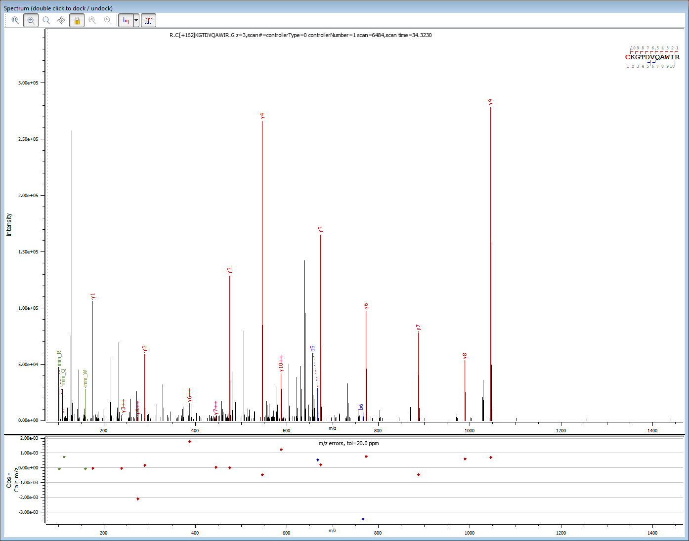
 |  |  |  |  |  |  |  | Q | 5 | 673.3780 | 673.3782 | 1.65E+05
 |  |  |  |  |  |  |  | A | 4 | 545.3194 | 545.3190 | 2.66E+05
 |  |  |  |  |  |  |  | W | 3 | 474.2823 | 474.2823 | 1.28E+05
 |  |  |  |  |  |  |  | I | 2 | 288.2030 | 288.2032 | 5.94E+04
 |  |  |  |  |  |  |  | R | 1 | 175.1190 | 175.1189 | 1.06E+05
 |  |  |  |  |  |  |  |  |  |  |  | 1.23E+06
...
 |  |  |  |  |  |  | 480.2358 | not obs. | not obs.
 |  |  |  |  |  |  |  | PID 18338 |  | y++ | y++
 |  |  |  |  |  |  |  | AA |  | calc. | obs. | int.
 |  |  |  |  |  |  |  | C | 11
 |  |  |  |  |  |  |  | K | 10 | 587.32238 | 587.3236 | 4.11E+04
 |  |  |  |  |  |  |  | G | 9 | 523.274898 | not obs.
 |  |  |  |  |  |  |  | T | 8 | 494.764166 | not obs.
 |  |  |  |  |  |  |  | D | 7 | 444.240327 | 444.2404 | 2.93E+03
 |  |  |  |  |  |  |  | V | 6 | 386.726855 | 386.7286 | 1.44E+04
 |  |  |  |  |  |  |  | Q | 5 | 337.192649 | not obs.
 |  |  |  |  |  |  |  | A | 4 | 273.16336 | 273.1613 | 3.16E+03
 |  |  |  |  |  |  |  | W | 3 | 237.644803 | 237.6448 | 4.76E+03
 |  |  |  |  |  |  |  | I | 2 | 144.605146 | not obs.
 |  |  |  |  |  |  |  | R | 1 | 88.063114 | NA
 |  |  |  |  | 162.0528 |  |  |  |  |  |  | 6.64E+04
 |  |  |  |  | 90.0317
 |  |  |  |  | 120.0423
 |  |  |  |  | 150.052824
...
 |  |  |  |  |  |  | MODEL D | PID 18338 |  | b+ | b+ | int.
 |  |  |  |  |  |  | score 366.6 | AA |  | calc. | obs. b+
 |  |  |  |  |  |  | scan time: | C | 1 | 266.0693 | not obs.
 |  |  |  |  |  |  | 34.3230 | K | 2 | 394.1642 | 394.1668 | 1.66E+03
 |  |  |  |  |  |  |  | G | 3 | 451.1857 | not obs,
 |  |  |  |  |  |  | z+3 | T | 4 | 552.2334 | not obs,
 |  |  |  |  |  |  |  | D | 5 | 667.2603 | 667.2609 | 2.91E+04
 |  |  |  |  |  |  |  | V | 6 | 766.3287 | 766.3253 | 7.52E+03
 |  |  |  |  |  |  |  | Q | 7 | 894.3873 | not obs,
 |  |  |  |  |  |  |  | A | 8 | 965.4244 | not obs,
 |  |  |  |  |  |  |  | W | 9 | 1151.5037 | not obs,
 |  |  |  |  |  |  |  | I | 10 | 1264.5878 | not obs,
 |  |  |  |  |  |  |  | R | 11 |  |  | 3.83E+04
 |  |  |  |  |  |  |  |  |  |  |  | 1.00
...
b++ |  | AA |  | y++ |  |  | MODEL D | PID 18338 |  | b++ | b++ | int.
133.5383 | 1 | C | 11 |  |  |  | score 366.6 | AA |  | calc. | obs. b+
197.5858 | 2 | K | 10 | 587.32238 |  |  | scan time: | C | 1 | 133.5383 | not obs.
226.0965 | 3 | G | 9 | 523.274898 |  |  | 34.3230 | K | 2 | 197.5858 | not obs.
276.6203 | 4 | T | 8 | 494.764166 |  |  |  | G | 3 | 226.0965 | not obs.
334.1338 | 5 | D | 7 | 444.240327 |  |  | z+3 | T | 4 | 276.6203 | not obs.
...

CID_RC +162 ELAAAMK
...
2.78E+02 | -0.139 | 487.7491 | not obs. |  |  | 1155.5616515 | 1.0073 | 162.0528 | 180.06338 | 1155.561652 | 496.754426 | 18.010565 | 36.02113 | 54.031695 | 150.0528 | 568.7755 | not obs. |  |  | 559.7703 | not obs. |  |  | 550.7650 | not obs.
...
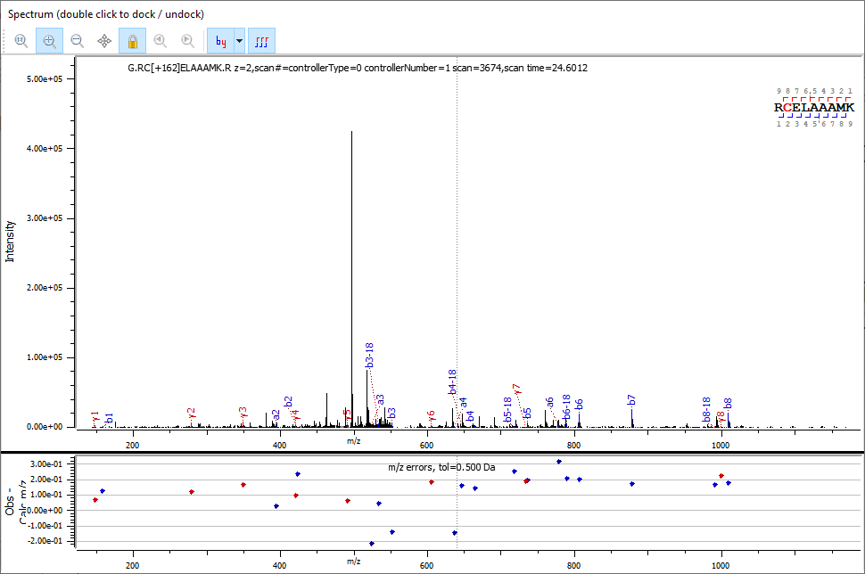

± 0.500 Da | loss
0.276 |  |  |  | 1.00
0.231 | tetrose |  |  | 0.19
0.193 | from Arg | Amadori |  | 0.07
0.308 | pentose | Amadori |  | 0.01
0.417 | from Arg | Amadori |  | 0.01
-0.352 | di-hexosyl |  |  | 0.003
0.194 | hexosyl |  |  | 1.00
0.290 | from Arg | Amadori |  | 0.07
0.139 | hexose |  |  | 0.02
...
 | triose | Amadori
...
y+ |  | ± 0.500 Da |  | y+ | y+ |  | ± 0.500 Da |  | y+ | y+ |  | ± 0.500 Da | MODEL D | PID 754 |  | y+ | y+ |  | ± 0.500 Da |  | 324 gain y+ | y+ |  | ± 0.500 Da
126 gain | int. | err. | 54 loss | 108 gain | 108 gain | int. | err. | CH2O | 78 gain | 78 gain | int. | err. | score 144.4 | AA |  | calc. | obs. | int. | err. |  | calc. | obs. | int. | err.
obs. |  |  |  | calc. | obs. |  |  | loss | calc. | obs. |  |  | scan time: | R | 9
not obs. |  | #VALUE! | 108.0211 | 1106.4744 | not obs. |  |  | 78.0106 | 1076.4639 | not obs. |  |  | 24.6012 | C | 8 | 998.453292 | 998.6807 | 1.05E+03 | 0.227 | 324.10564 | 1322.558932 | NA
...

CID_WWC +162 NDGR
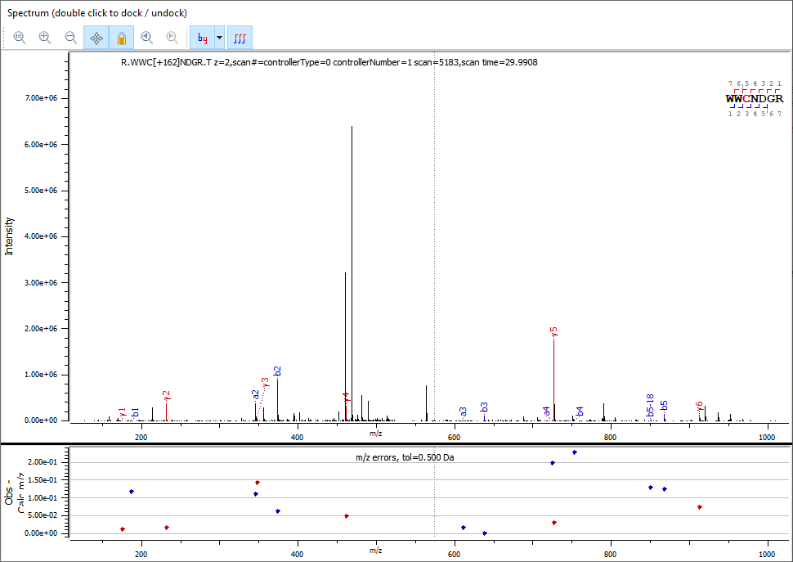
Protein Name | Fragment Type | Comment | Scan # | Scan Time | Glycans Pos.
>sp|P00698|LYSC_CHICK Lysozyme C OS=Gallus gallus GN=LYZ PE=1 SV=1 | collision-induced dissociation | 00527771buch_ab4liz2_s.5183.5183.2 | controllerType=0 controllerNumber=1 scan=5183 | 29.9908
>sp|P00698|LYSC_CHICK Lysozyme C OS=Gallus gallus GN=LYZ PE=1 SV=1 | collision-induced dissociation | 00527771buch_ab4liz2_s.5214.5214.2 | controllerType=0 controllerNumber=1 scan=5214 | 30.0904
>sp|P00698|LYSC_CHICK Lysozyme C OS=Gallus gallus GN=LYZ PE=1 SV=1 | collision-induced dissociation | 00527771buch_ab4liz2_s.5400.5400.2 | controllerType=0 controllerNumber=1 scan=5400 | 30.7131
...
 |  |  | Amadori | triose loss |  |  |  |  | pentose loss
± 0.500 Da |  | 90.0317 | y+ | y+ |  | ± 0.500 Da | 150.0528 | y+ | y+ |  | ± 0.500 Da | H20 loss | 144 gain y+ | 144 gain y+ |  | ± 0.500 Da | 2 H20 loss | 126 gainy+ | 126 gain y+ |  | ± 0.500 Da
err. |  | 162-90 | 72 gain | 72 gain | int. | err. | pentose loss | 12 gain | 12 gain | int. | err. |  | cal. | obs. | int. | err. |  | cal. | obs. | int | err.
 |  | triose loss | calc. | obs. |  |  |  | calc. | obs. |  |  | 18.0106 | 1056.3939 | NA |  |  | 36.0211 | 1038.3833 | NA
 |  | 72.0211 | 984.3727 | not obs. |  |  | 12.0000 | 924.3516 | not obs. |  |  | 18.0106 | 870.3145 | 870.0724 | 6.33E+02 | -0.242 | 36.0211 | 852.3040 | not obs.
0.072 |  | 72.0211 | 798.2934 | not obs. |  |  | 12.0000 | 738.2723 | 738.6893 | 6.14E+03 | 0.417 | 18.0106 | 605.2525 | 605.5394 | 1.90E+03 | 0.287 | 36.0211 | 587.2420 | not obs.
-0.083 |  | 72.0211 | 533.2314 | not obs. |  |  | 12.0000 | 473.2103 | 473.5156 | 2.06E+04 | 0.305 | 18.0106 | 491.2096 | 490.7885 | 2.36E+04 | -0.421 | 36.0211 | 473.1990 | 473.5156 | 2.06E+04 | 0.317
0.078 |  | 72.0211 | 419.1885 | not obs. |  |  | 12.0000 | 359.1674 | 359.3716 | 4.40E+03 | 0.204 | 18.0106 | 376.1827 | 376.4440 | 1.39E+04 | 0.261 | 36.0211 | 358.1721 | 358.1123 | 9.40E+02 | -0.060
0.035 |  | 72.0211 | 304.1615 | not obs. |  |  | 12.0000 | 244.1404 | 244.0464 | 3.59E+03 | -0.094 | 18.0106 | 319.1612 | not obs. |  |  | 36.0211 | 301.1506 | 301.3568 | 8.31E+03 | 0.206
...

